8641-588
Measuring Instrument Verification Record
Company name: Mano Engineering LLC |  |  |  | Inspector: KK
Part No. | A | B | C | Remark
1 | 0.2640 | 0.306 | 0.161 | Measurement for C need to push caliper hard to get such result
2 | 0.2640 | .03045 | 0.161 | Measurement for C need to push caliper hard to get such result
3 | 0.2650 | 0.3035 | 0.161 | Measurement for C need to push caliper hard to get such result
4 | 0.2650 | 0.3045 | 0.161 | Measurement for C need to push caliper hard to get such result
5 | 0.2645 | 0.3045 | 0.161 | Measurement for C need to push caliper hard to get such result
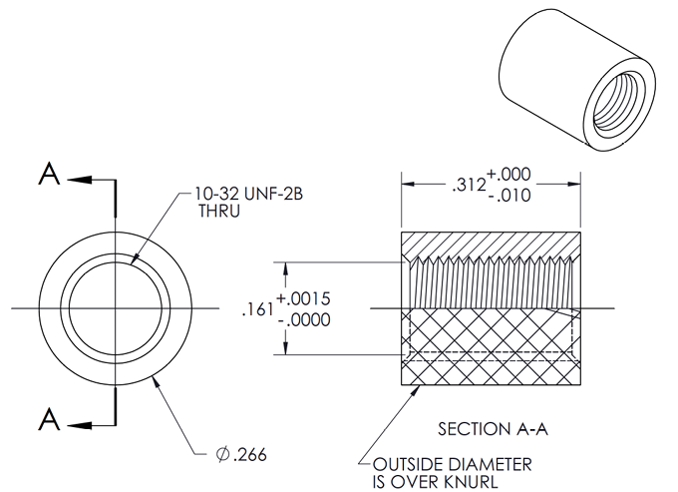

B

C

A

